Screenshots
Defects/Bugs
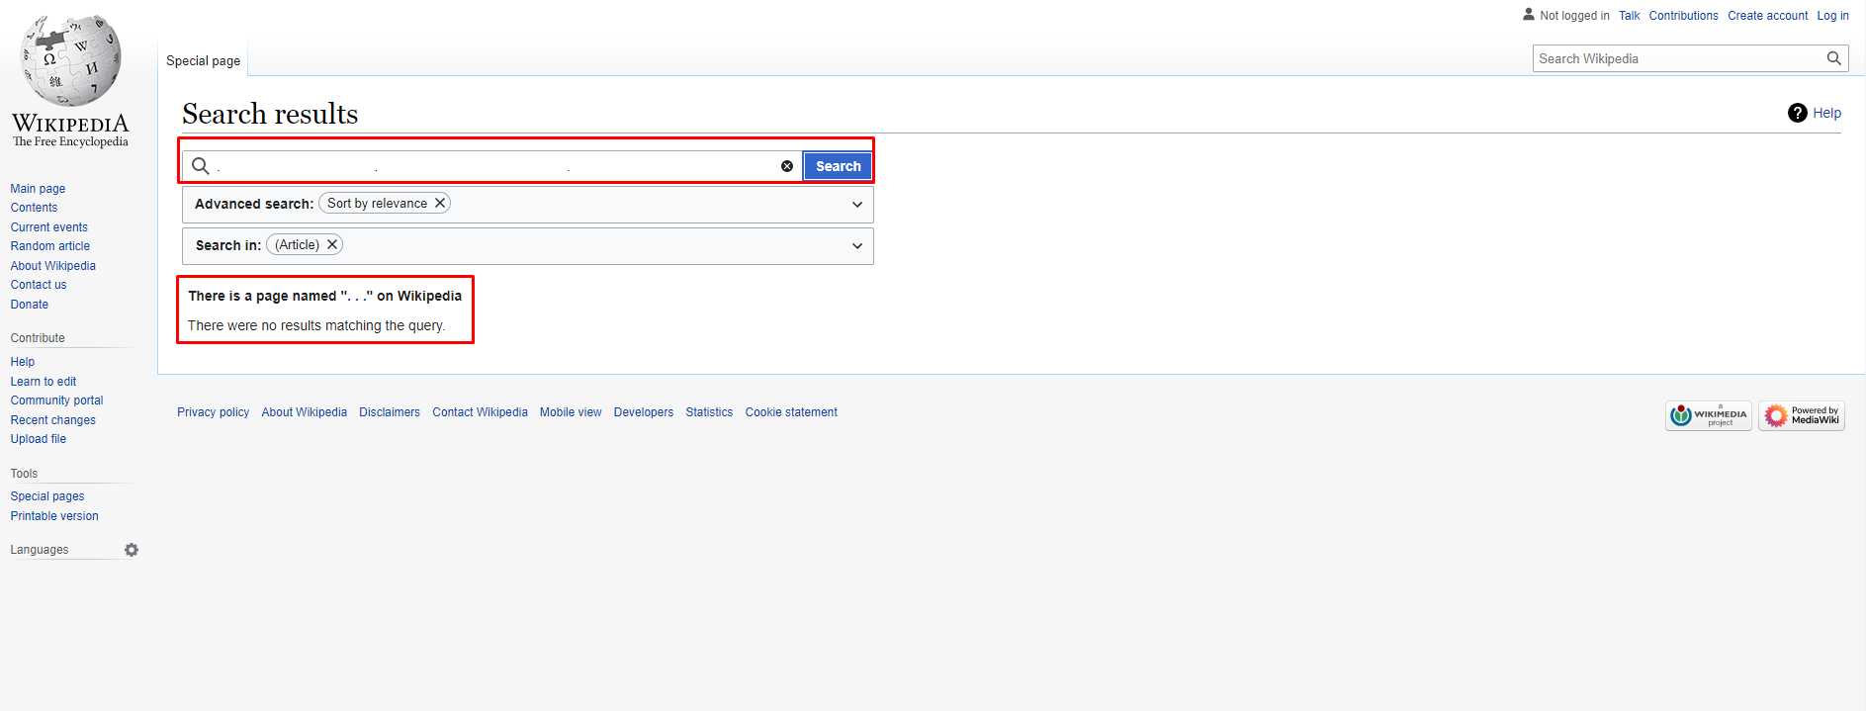 1. When I want to search ". . ." keyword "There is a page named ". . ." on Wikipedia" message is appeard but there is no page with searched keyword's name
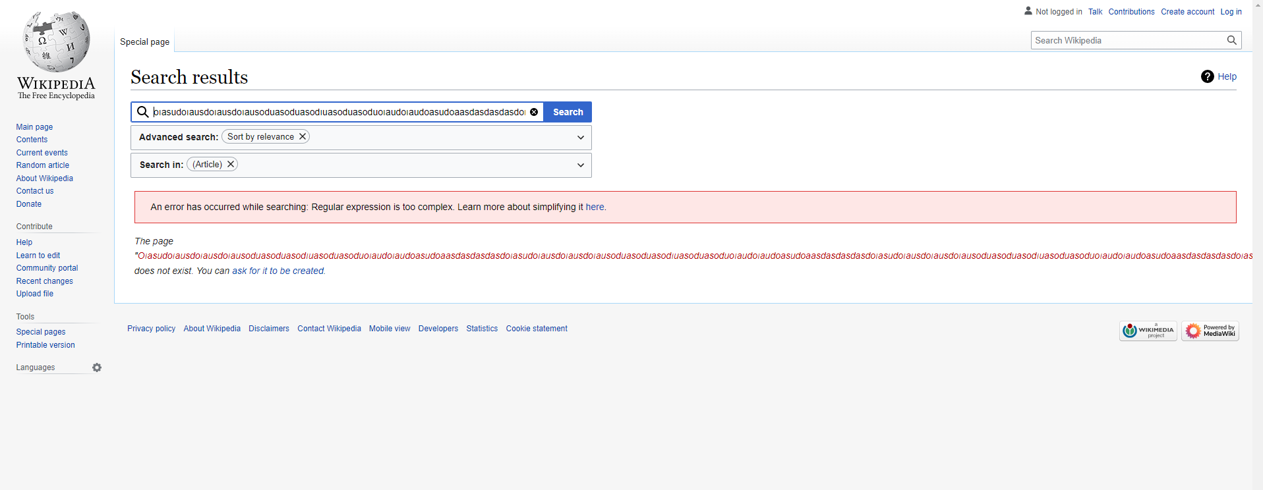 2.When I want to search for long text, the text search result does not fit on the page.
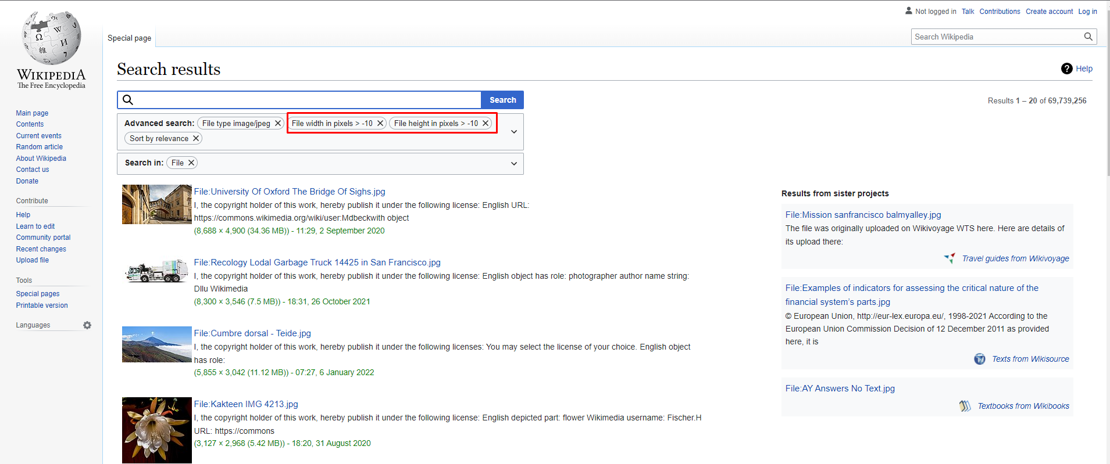 3.Before searching, I choose the "File Type" field as "jpeg". I enter the values ​​of File width in pixels and File height in pixels as -10. When I search I get results.

